Sales Dash
Sales Dashboard

Orders by State
Orders By Customer Type
Number of Orders by State
VIC | 289
NSW | 646
WA | 104

Number of Orders by Customer Type
Home Office | 264
Consumer | 177
Small Business | 221
Corporate | 377

Orders Quantity Over 40 | 238

Sales by Account Manager
Connor Betts
Stevie Bacata
Natasha Song
Tina Carlton
Nicholas Fernandes
Mihael Khan
Leighton Forrest
Charlie Bui
Yvette Biti
Samantha Chairs
Aanya Zhang
Radhya Staples
Preston Senome
Phoebe Gour
Sales by Account Manager | Total | 2013 | 2014 | 2015 | 2016 | Trend
Connor Betts
Stevie Bacata
Natasha Song
Tina Carlton
Nicholas Fernandes
Mihael Khan
Leighton Forrest
Charlie Bui
Yvette Biti
Samantha Chairs
Aanya Zhang
Radhya Staples
Preston Senome
Phoebe Gour

Orders by Year and State | NSW | VIC | WA | Sales Total
2013 | 0 | 0 | 0 | 0
2014 | 0 | 0 | 0 | 0
2015 | 0 | 0 | 0 | 0
2016 | 0 | 0 | 0 | 0
2017 | 0 | 0 | 0 | 0

Aula
CONTANDO COM CRITÉRIOS
 |  |  |  | ESSA FUNÇÃO NOS PASSA OS VALORES POR CRITÉRIOS DE TEXTO, MAS NÃO FAZ A SOMA DOS NÚMEROS, ETC.PARA ISSO, SEGUINTE ''AULA 3''
Comando :

CONT.SE

1º PASSO: Realizar os intervalos nomeados dos títulos
>> Para o exemplo, foi solicitado a soma de ordens por estado, nesse caso ''States '' e somar de acordo com o estado VIC , NSW e WA

Assim, arrastando para preencher os demais estados, temos o gráfico:
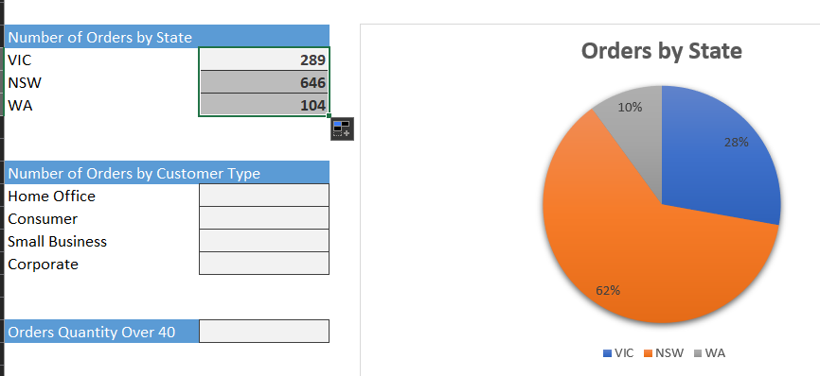

>> Para o exemplo seguinte, precisamos saber quantos pedidos por tipo de cliente

Assim, arrastando para preencher os tipos de clientes, se home office, consumer, etc, temos o gráfico:
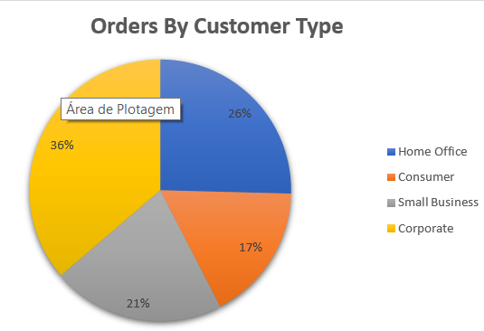

>> Para o exemplo 3, foi solciitado calcular o número de pedidos com quantidades acima de 40

Outras formas de usar o CONT.SE:
 |  | O texto e as expressões devem estar entre '' ''

 |  |  | Logo para esse exemplo onde maiores de 40, é uma expressão, deve ser inserido entre '' ''

 | Assim:
 |  |  | As '' '' a só são válidas juntas, logo usa o Shift para o comando

